1. Title Page
[Project Name]

Project Name: Instacart Grocery Basket Analysis
Date: 24-07-2020
Analyst Name: Diogo Mesquita

Contents:
Population Flow
Consistency checks
Wrangling steps
Column derivations
Visualizations
Recommendations

2. Population Flow
Title page

Population flow

Exclusion flag
Condition: max_order <
Obervations to be removed:
Final total count of order_products_all:

Orders_products_combined
Orders_products_merged
Orders_products_all

Total: 32404859
Total: 32434489
Total: 9717350

1.) The grey boxes in the first row of the populatin flow represent the original data sets as they were when you downloaded them. In the Total fields you need to add the count of the rows when you imported the data set into Jupyter.
2.) The second row of boxes (coloured) represents the data sets after you manipulated them, e.g., removed missing values and duplicates. In the Total fields you need to add the count of the rows after conducting these operations. This offers a visual oveview of how the data flows throughout the data consistency checks.
3.) The third row, where also the arrows are coloured, represents the merges you performed between the datasets. In the Total fields you need to add the count of the rows in the merged datasets, so that you end up with the final dataset (in the red box). Keep in mind the final dataset should be without exclusions (based on the exclusion flag).

3. Consistency checks
 |  |  |  | Title page
Consistency checks

Dataset | Missing values | Missing values treatment | Duplicates
orders | 206209 | No action. Crosstab analysis confirmed missing values were caused by the fact that there can’t be any days before a first order. | 0
products | 16 | excluded | 5
orders_products_prior | 0 | 0 | 0
customers | 0 | 0 | 0

4. Wrangling steps
 |  |  |  | Title page
Wrangling steps

Columns dropped | Columns renamed | Columns' type changed | Comment/Reason
"eval_set" |  |  | Unnecessary system column.
 | "order_dow" to "orders_day_of_week" |  | New name more intuitive.
 |  | "order_id" | Assigning data type as string as this column not used for calculations.
 | "orders_day_of_week" to "order_day_of_week" |  | New name more intuitive.
 | "First Name" : "name" |  | New name more intuitive.
 | "Surnam" : "surname" |  | Incorrectly spelled. Adding coherence.
 | "STATE" : "state" |  | Incorrectly spelled. Adding coherence.
 | "Gender" to "gender" |  | Adding coherence.
 | "Age" to "age" |  | Adding coherence.
 |  | "name" | Column with mixed data type.

5. Column derivations
 |  |  |  | Title page

Column derivations and aggregations

In this tab you should add tables below that the frequences of flags/label variables that you produced after deriving them. NB: don't do this for continuous variables, only for flags.
Dataset | New column | Column/s it was derived from | Conditions
Orders_products_merged | price_range_loc | prices | If price <= 5, return "Low-range product"; If price > 5 and<= 15, return "Mid-range product"; If price > 15, High-range product.
Orders_products_merged | Busiest_day | order_day_of_week | If order_day_of_week value = 0, return "Busiest day". if order_day_of_week value = = 4, return "Least busy". All aother valuer, return "Regularly busy".
Orders_products_merged | Busiest_period_of_day | order_hour_of_day | If "order_hour_of_day" value >=10 and <= 18, return "Most orders"; If "order_hour_of_day" value>=7 and < 10, return "Average orders";If "order_hour_of_day" value >18 and <= 23, return "Average orders"; Else, return "Most orders".
ords_prods_merge | Loyalty_flag | max_order | If max_order > 40, return Loyal Customer; If max_order between 10 and 40, return Regular Customer; If max_order inferior than 10, return New Customer;
ords_prods_merge | Spending_flag | avg_expense | If avg_expense >= 10, return "High spender". Else returns "Low spender".
ords_prods_merge | Frequency_flag | days_since_prior_order | If the median of “days_since_prior_order” is higher than 20, then the customer should be labeled a “Non-frequent customer.” If the median is higher than 10 and lower than or equal to 20, then the customer should be labeled a “Regular customer.” If the median is lower than or equal to 10, then the customer should be labeled a “Frequent customer.”
Orders_products_all | region | State | Creates a “Region” column based on the “State” column from your customers data set.
Orders_products_all | exclusion flag | orders_per_customer | Creates an exclusion flag for low-activity customers (customers with less than 5 orders)
Orders_products_all | profil_age | age | Creates a customer profile variable based on income.
Orders_products_all | profile_income | income | Creates a customer profile variable based on age.
Orders_products_all | profile_n_dependants | n_dependants | Creates a customer profile variable based on the number of dependants.
Orders_products_all | profile_pet_owner | department_id | Creates a customer profile variable based on being, or not, a pet owner.

price_label | Frequency
Mid-range product | 756450
Low-range product | 243550

Busiest_day | Frequency
Regularly busy | 22416875
Busiest day | 6204182
Least busy | 3783802

Busiest_period_of_day | Frequency
Most orders | 22388024
Average orders | 9130014
Fewest orders | 886821

Loyalty_flag | Frequency
Regular customer | 15876776
Loyal customer | 10284093
New customer | 6243990

Spending_flag | Frequency
Low spender | 31770742
High spender | 634117

Frequency_flag | Frequency
Frequent customer | 21559853
Regular customer | 7208564
Non-frequent customer | 3636437
NaN | 5

6. Visualizations
 |  | Title page

Visualisations

In this tab you should include all the visualtions from Exercises 4.9 and 4.10, alongside the questions from the project brief that they answer. Include any commentary on the relationship between different variables.

1 | The sales team needs to know what the busiest days of the week and hours of the day are (i.e., the days and times with the most orders) in order to schedule ads at times when there are fewer orders.
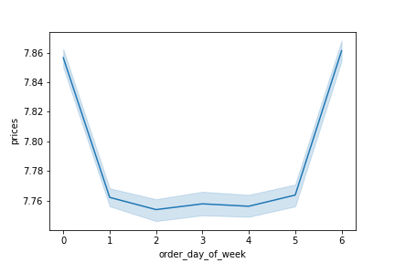
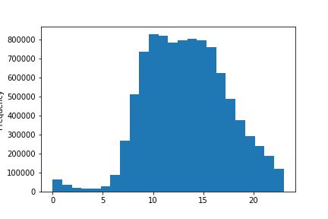

2 | They also want to know whether there are particular times of the day when people spend the most money, as this might inform the type of products they advertise at these times.
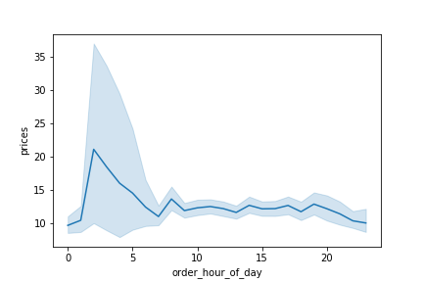

3 | Instacart has a lot of products with different price tags. Marketing and sales want to use simpler price range groupings to help direct their efforts.
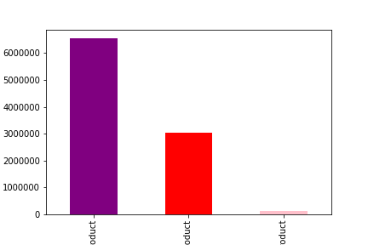
Mid-range products Low-range products High-range products

4 | Are there certain types of products that are more popular than others? The marketing and sales teams want to know which departments have the highest frequency of product orders.

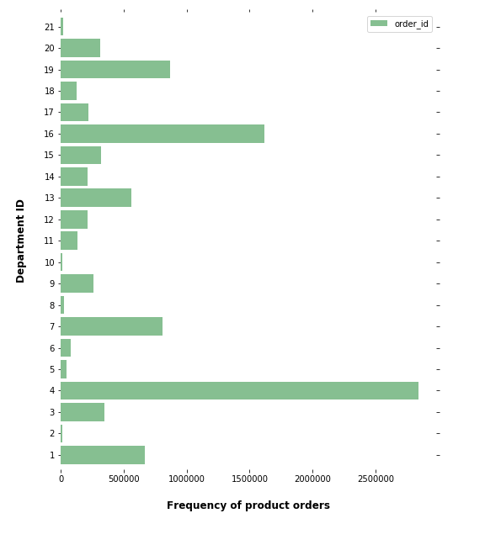

5 | The marketing and sales teams are particularly interested in the different types of customers in their system and how their ordering behaviors differ. For example:
5.1 | What’s the distribution among users in regards to their brand loyalty (i.e., how often do they return to Instacart)?

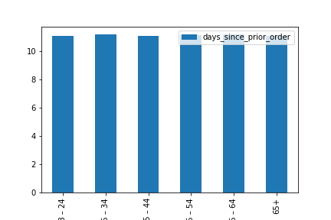
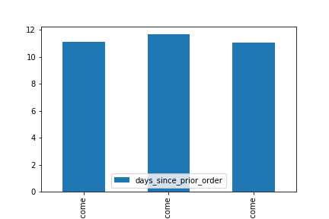
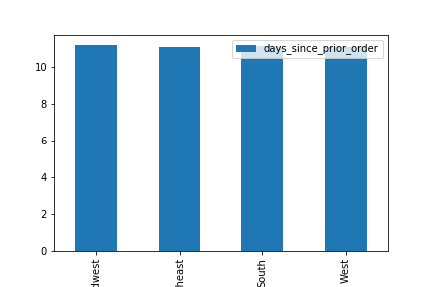

5.2 | Are there differences in ordering habits based on a customer’s loyalty status?

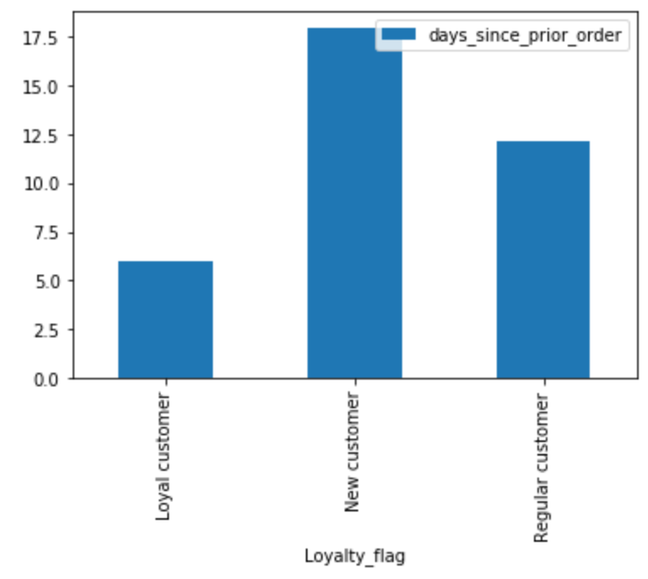

5.3 | Are there differences in ordering habits based on a customer’s region?

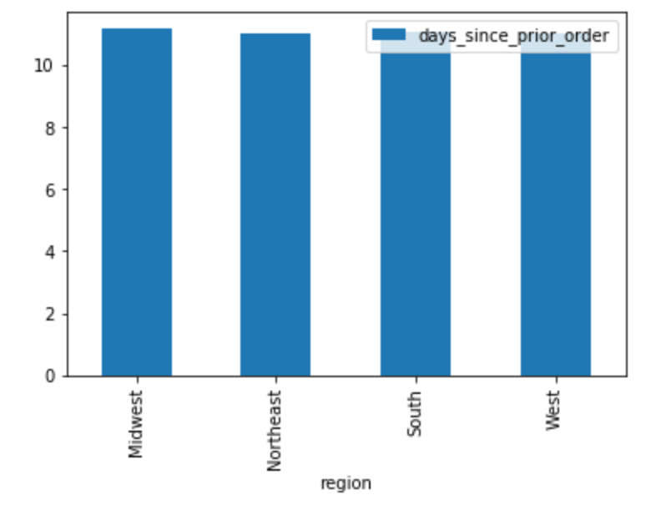

5.4 | Is there a connection between age and family status in terms of ordering habits?
5.7 | What different classifications does the demographic information suggest? Age? Income? Certain types of goods? Family status?
5.8 | What differences can you find in ordering habits of different customer profiles? Consider the price of orders, the frequency of orders, the products customers are ordering, and anything else you can think of.

7. Recommendations
 |  | Title page

Recommendations

In this tab you should include any recommendations you would made to Instcart in terms of their marketing strategy based on the questions posed in the brief. Every key question has been covered in the Tasks of the Exercises - here you need to add an item - a visualisation or table/crosstable that is showing the answer in the data, acompanied by a comment from you. Please, list the questions below and add the answer underneath.

Question | Answer
Key Question 1 | The busiest days of the week are Saturday ("0") and Friday ("6"). The busiest periof of the day is 10h-18h, where the frequency of orders tends to be superior to 70000 per hour.
Key Question 2 | A particular period of the day when people spend the most money is between 2 and 5h (AM).
Key Question 3 | We recommend the use of the price range groups that were created: Mid-range products; Low-range products; High-range products.
Key Question 4 | The departments that have the highest frequency of product orders are departments 4 and 16.
Key Question 5.1 | No significant difference was found in the distribution among users of different age groups, income groups or regions in regards to their brand loyalty (i.e., how often do they return to Instacart).
Key Question 5.2 | There are differences in ordering habits (order placement frequency) based on a customer’s loyalty status.
Key Question 5.3 | There are no significant differences in ordering habits (order placement frequency) based on a customer’s region.

 | (see relavant visualizations in previous tab)

